S2.2 - Size vs. Longevity
Table A3. Longevity as a function of body mass for Gekkota species vs. all other lizards’ clades, using well sampled data only (≥30 species, PGLS)
Group | R2 | Slope ± 1 SE | t | Intercept ± 1 SE | n | λ | P | Confidence Interval of slope
Gekkota | 0.40 | 0.377±0.102 | 3.6 | 0.732±0.085 | 17 | 0.000 | 0.001 | 0.084-670
Non-Gekkota | 0.38 | 0.300±0.033 | 9.0 | 0.513±0.098 | 121 | 0.722 | < 0.0001 | 0.240-0.372
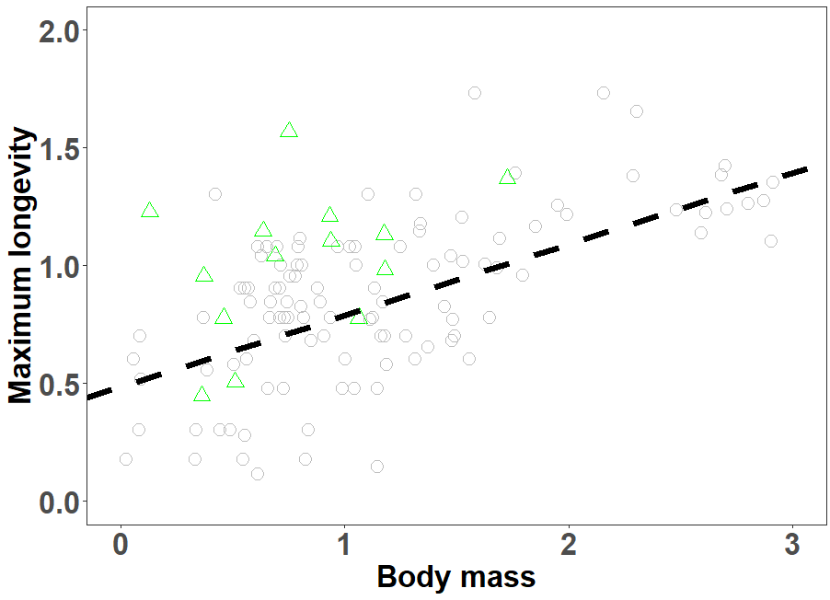

Figure S1. The relationship between maximum longevity (in years, log10 transformed), and body mass (in grams, log10 transformed) using well sampled data only (≥30 species, PGLS) between gekkotan species to all the rest of the lizard clades. Species from the Gekkota (n=17) are depicted in green triangles, and all the rest of non-gekkotan species (n=121) are depicted in grey circles. Regression (black dashed line) represents all lizard species together (n=138).

